Sheet1
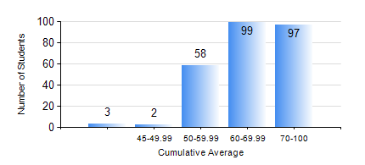
 |  |  | KWAME NKRUMAH UNIVERSITY OF SCIENCE AND TECHNOLOGY, KUMASI Department of Electrical/Electronic Engineering

 |  |  | BSC. ELECTRICAL/ELECTRONIC ENG.

 |  |  | COMPREHENSIVE RECORD OF EXAMINATION RESULTS

 |  |  | RESULTS OF YEAR 4 FIRST SEMESTER, 2023/2024 ACADEMIC YEAR

 | Sn | Course Code |  | Course Name | Credit Hours | Min. Mark | Max. Mark | Avg. Mark | Std. Dev. | No. Passed | No. Trailed | No. (Df) | No. (I) | No. (I*) | No. Tagged(I,I*,Df) | Total
 | 0. |  |  |  |  |  |  | 0 | 0 | 0 | 0 | 0 | 0 | 0 | 0 | 1
 | 1. | COE 475 |  | COMPUTER NETWORKING | 4 | 16 | 75 | 49 | 11.03 | 229 | 29 | 0 | 0 | 0 | 0 | 258
 | 2. | EE 291 |  | ELECTRICAL ENGINEERING LAB. I | 1 | 65 | 65 | 65 | 0 | 1 | 0 | 0 | 0 | 0 | 0 | 1
 | 3. | EE 463 |  | SPECIAL ELECTRICAL MACHINES | 3 | 30 | 87 | 66 | 12.45 | 203 | 1 | 0 | 1 | 0 | 1 | 205
 | 4. | EE 467 |  | POWER SYSTEMS OPERATION AND CONTROL | 3 | 43 | 85 | 68 | 8.33 | 257 | 0 | 0 | 1 | 0 | 1 | 258
 | 5. | EE 489 |  | INDUSTRIAL TRAINING | 1 | 68 | 99 | 85 | 8.01 | 258 | 0 | 0 | 0 | 0 | 0 | 258
 | 6. | EE 497 |  | PROJECT I | 3 | 56 | 83 | 74 | 5.23 | 255 | 0 | 3 | 0 | 0 | 3 | 258
 | 7. | ME 491 |  | ENGINEERING ECONOMICS AND MANAGEMENT | 3 | 40 | 89 | 69 | 9.6 | 258 | 0 | 0 | 0 | 0 | 0 | 258
 | 8. | TE 481 |  | WIRELESS DATA COMMUNICATION NETWORK | 3 | 17 | 87 | 62 | 14.65 | 53 | 1 | 0 | 0 | 0 | 0 | 54

